Math Rules
Math Rules

Rules for Math:
1. Must use numbers or range names
2. Appropriate symbols for numbers may be used
3. Use the decimal version of percent rather than the % symbol
4. Use the appropriate order of math operations
5. Use the rules for math functions
6. NO spaces
7. Use $ to indicate an absolute value (the F4 key will automatically add the $)
8. If text is required in a function the text must be enclosed in double quotes "text"

=SUM(B4:C10)
Name of Function
Arguments
Rules for Math Functions
1. ALWAYS begin with =
2. Name the function
3. Type a left parenthesis (
4. Include the Arguments
5. Close the arguments with a right parenthesis )
6. Use the ENTER or TAB key on the keyboard to finish the equation

1_1_Autofill Ordinal
1_1_Autofill Ordinal

 |  | Use Superscript | Last Day of Month | Create the pattern | Numbers | Pattern | Ctrl + ; | Ctrl+ + Shift + ; | Day | Month | Quarter | Quarter | Word # | # Word | Formats | Select JAN, FEB, MAR, 1st Qtr and fill the pattern ➡️
1st | OR | 1st | 2025-01-31 | 2025-01-31 | 500 | 0 |  |  | Wed | November | Qtr 1 | Quarter 3 | Person 1 | 50 - Item Number | ITEM 01 | JAN | FEB | MAR | 1st Qtr
2nd |  | 2nd | 2025-02-28 | 2025-02-28 |  | 5 |  |  |  |  |  |  |  |  | ITEM 02
 |  |  | 2025-03-31 |  |  |  |  |  |  |  |  |  |  |  | ITEM 03
 |  |  | 2025-04-30
 |  |  | 2025-05-31
 |  |  | 2025-06-30
 |  |  | 2025-07-31
 |  |  | 2025-08-31
 |  |  | 2025-09-30
 |  |  | 2025-10-31
 |  |  | 2025-11-30
Once the autofill is complete a Smart Icon appears in the bottom right - click on it to make changes
Select more than 1 cell if there is a pattern to fill. Select everything for the pattern example.
Ctrl + ; enters the current date Ctrl+Shift+; enters the current time
Use the 3 letter abbreviation or the spelled out version.
Example: Wed or Wednesday.
Use the 3 letter abbreviation or the spelled out version.
Example: Nov or November.
There are multiple options for representing quarters 1-4, try your favorite to see if it works.
The text will duplicate, the number will increment.
 |  |  | 2025-12-31

1_2_Custom AutoFill
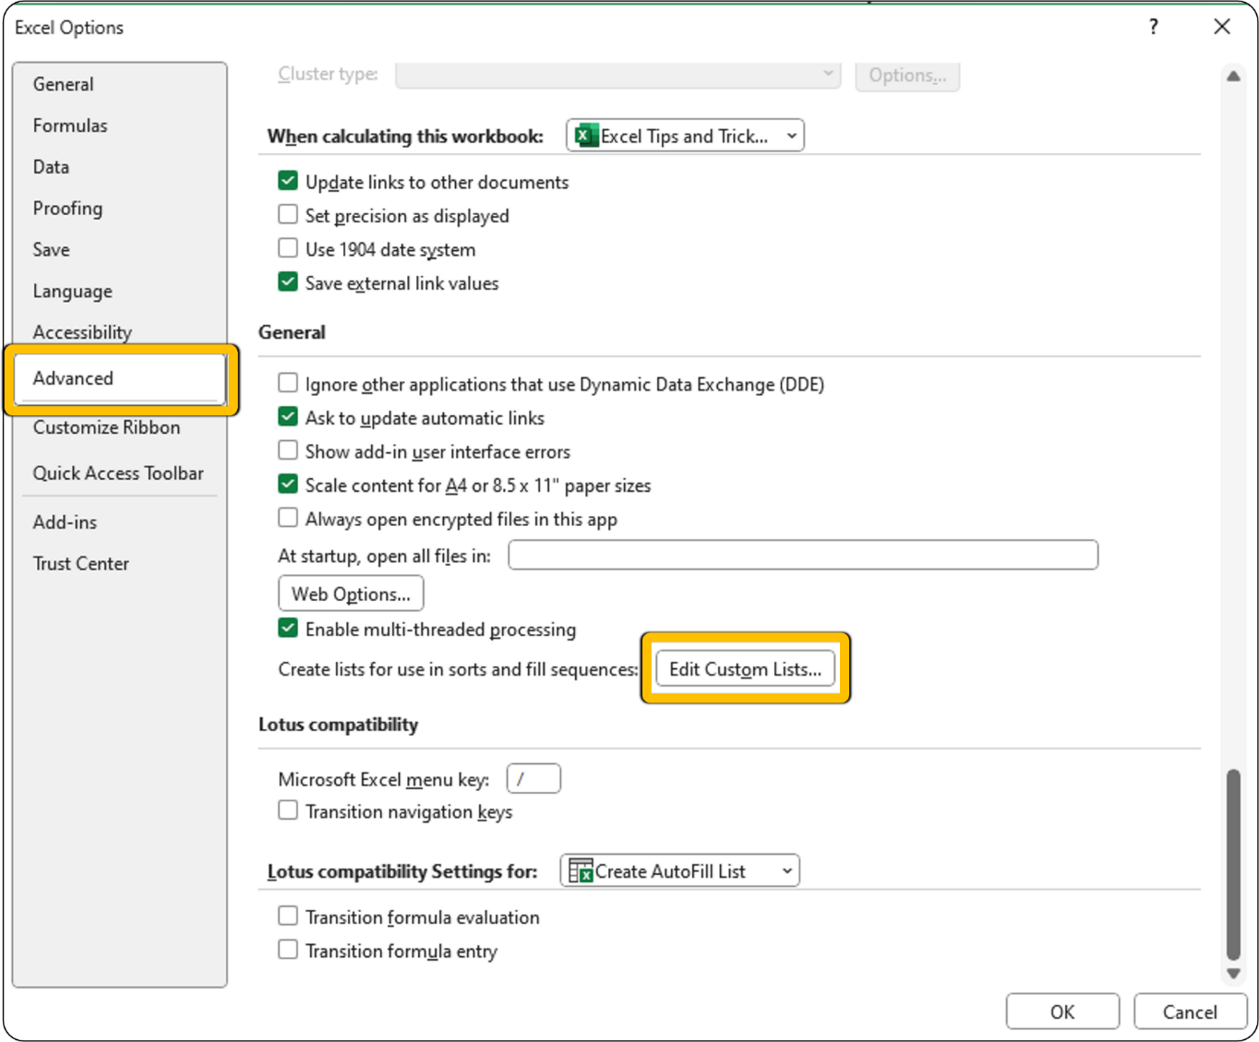
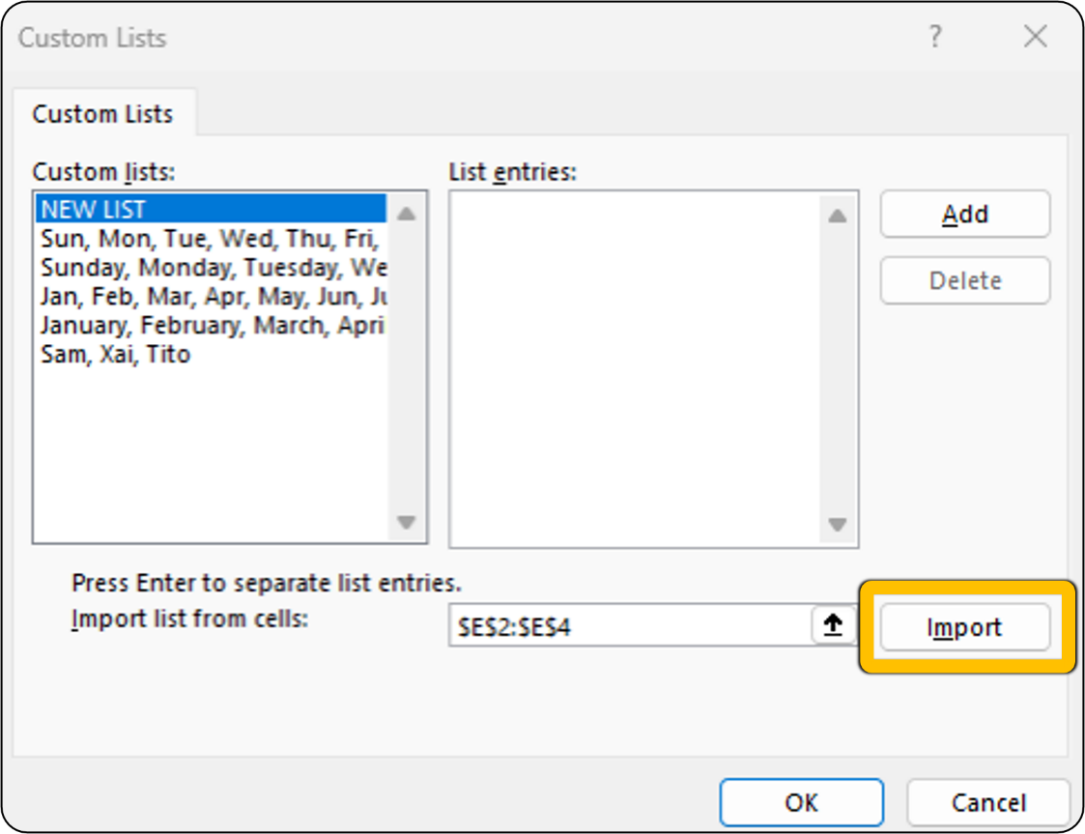
1_2_Custom AutoFill

Let's see an example ➡️ | Sheri Example: | Stock Name | Ticker Symbol | Let's make a list ⬇️
Note: this example will not work except on Sheri's computer | Vicki | Goldman Sachs Group Inc. | GS | AMGN
 |  | Home Depot Inc. | HD
 |  | Caterpillar Inc. | CAT
 |  | Amgen Inc. | AMGN
 |  | JPMorgan Chase & Co. | JPM

